FILA
YOUR PRICE Euro 33

PHOTO | SKU | Art. | Color | RRP | Gender | 40 | 41 | 42 | 43 | 44 | 45 | 46 | 47 | QTY
 | 1010574.02F | Fila Mindblower | White/shaded spruce/ gold | € 109.95 | Man | 34 | 18 | 35 | 33 | 43 | 46 | 34 | 36 | 279
 | 1010574.02E | Fila Mindblower | Marshmellow/Rhubarb | € 109.95 | Man | 31 | 32 | 22 | 33 | 29 | 27 | 32 | 14 | 220
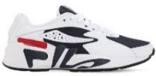 | 1RM00128.422 | Fila Mindblower | White/ navy/red | € 109.95 | Man |  | 7 | 122 |  | 10 |  |  |  | 139
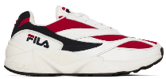 | 1010255.150 | Fila Venom V94M low | White/ navy/ red | € 109.95 | Man | 62 | 107 | 93 | 93 | 101 | 101 | 68 | 44 | 669
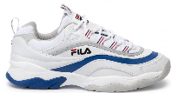 | 1010578.02G | Fila Ray F low | White/electric blue/ grey | € 99.95 | Man | 91 | 80 | 140 | 196 | 180 | 135 | 54 | 57 | 933
 | 1010561.01U | Fila Ray low | White/ black/ blue | € 99.95 | Man | 73 | 72 | 89 | 29 |  | 2 | 5 | 10 | 280
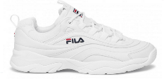 | 1010561.1FG | Fila Ray low | White | € 99.95 | Man | 8 | 8 | 12 |  | 11 |  |  |  | 39

 | SKU | Art. | Color | RRP | Gender | 40 | 41H | 42H | 44H |  |  |  |  | QTY
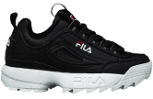 | 1010262.25Y | Fila disruptor low | Black | € 119.95 | Man | 27 | 5 | 34 | 19 |  |  |  |  | 85

 | SKU | Art. | Color | RRP | Gender | 36 | 37 | 38 | 39 | 40 | 41 | 42 |  | QTY
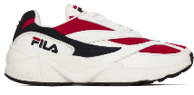 | 1010291.150 | Fila Venom Wmn V94M low | White/ red /navy | € 109.95 | Woman | 71 | 133 | 186 | 174 | 93 | 57 | 49 |  | 763
 | 1010291.00Q | Fila Venom Wmn V94M low | White /Navy /Shady/Glade | € 109.95 | Woman | 36 | 64 | 90 | 85 | 44 | 35 | 28 |  | 382
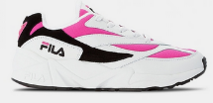 | 1010291.02L | Fila Venom Wmn V94M low | White /berry /black | € 109.95 | Woman |  |  | 22 | 66 | 51 | 42 | 8 |  | 189

 |  |  |  |  |  |  |  |  |  |  |  |  |  | 3,978

